MADE IN KOREA HAND SANITIZERS
 |  | EXW KOREA
IMAGE | DESCRIPTION | COST/UNIT | MOQ | EXTENDED TOTAL
 | Alcohol 70% Advanced Hand Sanitizer Gel 60ml Tube | $2.59 | 38880 | $100,699.20
 | Alcohol 70% Advanced Hand Sanitizer Gel 80ml Portable Tube | $2.75 | 25600 | $70,400.00
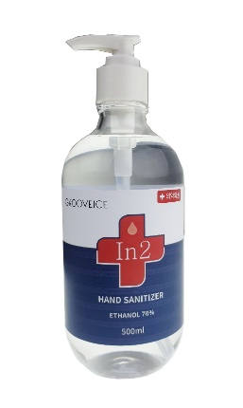 | Alcohol 70% Advanced Hand Sanitizer Gel 500ml Large Size Bottle w/ Pump | $4.95 | 13600 | $67,320.00

Lead Time: 2 weeks
Payment: 50% at front balance before pick up

